Machine Detail
Schematic Design
Foot print: cleanroom size required to put the machine
Chamber: Place where the wafer is being process in the machine
Load Size: The number of wafers per chamber that can be loaded into a tool for the manufacturing step defined Raw Processing Time The time taken for a tool to complete the defined manufacturing step
 | Attribute | Definition
 | Utilization | Proportion of time which the machine is available to carry out manufacturing processes
 | Load size | The number of wafers per chamber that can be loaded into a tool for the manufacturing step defined
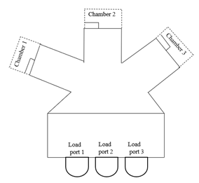
 | Raw Processing Time | The time taken for a tool to complete the defined manufacturing step
 | (RPT)
 | RPT basis | The number of batches a machine can process at any point of time which is determined by the number of chambers a machine has
 | Chamber count | Number of chambers in a machine
 | Machine availability | The proportion of time available for the machine to carry out manufacturing activities/processes
 | Footprint | The physical size of the machine measured in terms of square feet
 | Capacity | The capability of a machine to produce an output for a specific time. It is often expressed as a function of utilization, raw processing time and load size.

Frame: Inside the machine, wafer are being taken out from the foup to be delivered to available chamber

Load Port: place where foup arrive to the machine

